Sheet1
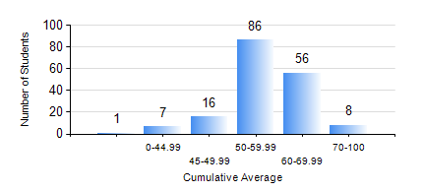
 |  |  | KWAME NKRUMAH UNIVERSITY OF SCIENCE AND TECHNOLOGY, KUMASI Department of Agricultural and Biosystems Engineering

 |  |  | BSC. AGRICULTURAL ENG.

 |  |  | COMPREHENSIVE RECORD OF EXAMINATION RESULTS

 |  |  | RESULTS OF YEAR 2 FIRST SEMESTER, 2021/2022 ACADEMIC YEAR

 | Sn | Course Code |  | Course Name | Credit Hours | Min. Mark | Max. Mark | Avg. Mark | Std. Dev. | No. Passed | No. Trailed | No. (Df) | No. (I) | No. (I*) | No. Tagged(I,I*,Df) | Total
 | 0. |  |  |  |  |  |  | 0 | 0 | 0 | 0 | 0 | 0 | 0 | 0 | 10
 | 1. | CENG 291 |  | ENGINEERING IN SOCIETY | 2 | 18 | 86 | 69 | 11.24 | 160 | 4 | 0 | 0 | 0 | 0 | 164
 | 2. | ENGL 263 |  | LITERATURE IN ENGLISH I | 1 | 26 | 73 | 55 | 8.04 | 162 | 2 | 0 | 0 | 0 | 0 | 164
 | 3. | MATH 251 |  | DIFFERENTIAL EQUATIONS | 4 | 52 | 86 | 65 | 10.51 | 164 | 0 | 0 | 0 | 0 | 0 | 164
 | 4. | ME 251 |  | FLUID MECHANICS I | 3 | 7 | 75 | 41 | 11.3 | 137 | 27 | 0 | 0 | 0 | 0 | 164
 | 5. | ME 255 |  | STRENGTH OF MATERIALS I | 3 | 11 | 89 | 50 | 12.93 | 159 | 5 | 0 | 0 | 0 | 0 | 164
 | 6. | ME 259 |  | APPLICATIONS OF COMPUTER GRAPHICS | 2 | 18 | 82 | 57 | 10.31 | 163 | 1 | 0 | 0 | 0 | 0 | 164
 | 7. | ME 265 |  | THERMODYNAMICS I | 3 | 22 | 83 | 52 | 10.03 | 161 | 3 | 0 | 0 | 0 | 0 | 164
 | 8. | ME 295 |  | MECHANICAL ENGINEERING LAB. I | 1 | 14 | 83 | 58 | 11.24 | 161 | 3 | 0 | 0 | 0 | 0 | 164

